Data for SFMM
Table 1: District 108 Tahltan Proportion of Catch Based on Fitted Values

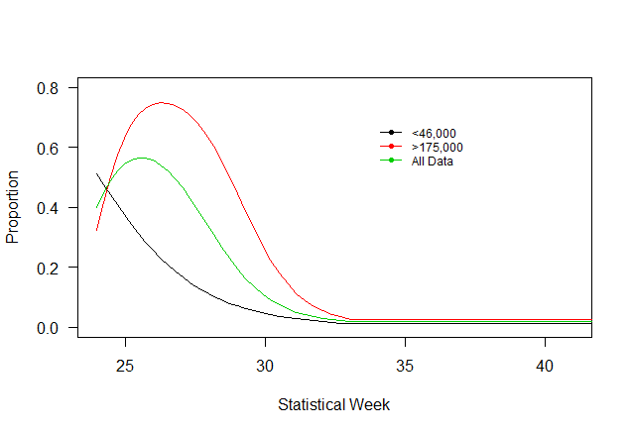
Statistical Week | D108 Tah (<46,000) | D108 Tah (>175,000) | D108 Tah
24 | 0.51 | 0.32 | 0.40
25 | 0.38 | 0.63 | 0.55
26 | 0.26 | 0.74 | 0.56
27 | 0.17 | 0.73 | 0.47
28 | 0.10 | 0.60 | 0.31
29 | 0.07 | 0.45 | 0.19
30 | 0.05 | 0.28 | 0.11
31 | 0.03 | 0.11 | 0.05
32 | 0.02 | 0.05 | 0.03
33 | 0.01 | 0.03 | 0.02
34 | 0.01 | 0.03 | 0.02
35 | 0.01 | 0.03 | 0.02

Table 2: District 106-41 Tahltan Proportion of Catch Based on Fitted Values

Statistical Week | D106-41(<58,000) | D106-41(>133,000) | D106-41
24 | 0.1414 | 0.0763 | 0.09
25 | 0.1741 | 0.3127 | 0.22
26 | 0.1288 | 0.4624 | 0.26
27 | 0.0635 | 0.4188 | 0.18
28 | 0.0236 | 0.2566 | 0.09
29 | 0.0104 | 0.1384 | 0.04
30 | 0.0047 | 0.0656 | 0.02
31 | 0.0019 | 0.0248 | 0.01
32 | 0.0013 | 0.0144 | 0.00
33 | 0.0011 | 0.0112 | 0.00
34 | 0.0011 | 0.0112 | 0.00
35 | 0.0011 | 0.0112 | 0.00

Table 3: District 106-41 Tahltan Proportion of Catch Based on Fitted Values

Statistical Week | D106-41(<=98,000) | D106-41(>98,000)
24 | 0.10 | 0.07
25 | 0.19 | 0.28
26 | 0.18 | 0.43
27 | 0.11 | 0.39
28 | 0.04 | 0.24
29 | 0.02 | 0.13
30 | 0.01 | 0.06
31 | 0.00 | 0.02
32 | 0.00 | 0.01
33 | 0.00 | 0.01
34 | 0.00 | 0.01
35 | 0.00 | 0.01

Table 4: District 106-41 & district 108 Tahltan Proportion of Catch Based on Fitted Values

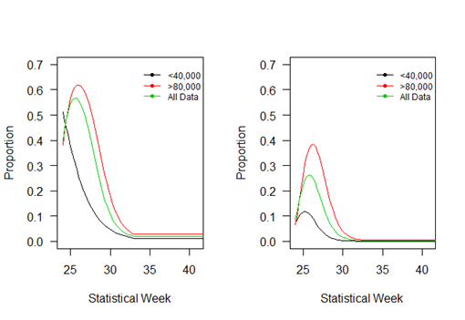
Statistical Week | D108 Tah (<40,000) | D108 Tah (>80,000) | D108 Tah | D106-41(<40,000) | D106-41(>80,000) | D106-41
24 | 0.51 | 0.38 | 0.40 | 0.07 | 0.07 | 0.09
25 | 0.38 | 0.57 | 0.55 | 0.12 | 0.26 | 0.22
26 | 0.26 | 0.62 | 0.56 | 0.10 | 0.38 | 0.26
27 | 0.17 | 0.57 | 0.47 | 0.05 | 0.33 | 0.18
28 | 0.10 | 0.43 | 0.31 | 0.02 | 0.19 | 0.09
29 | 0.07 | 0.30 | 0.19 | 0.01 | 0.10 | 0.04
30 | 0.05 | 0.19 | 0.11 | 0.00 | 0.04 | 0.02
31 | 0.03 | 0.09 | 0.05 | 0.00 | 0.01 | 0.01
32 | 0.02 | 0.05 | 0.03 | 0.00 | 0.01 | 0.00
33 | 0.01 | 0.03 | 0.02 | 0.00 | 0.01 | 0.00
34 | 0.01 | 0.03 | 0.02 | 0.00 | 0.01 | 0.00
35 | 0.01 | 0.03 | 0.02 | 0.00 | 0.01 | 0.00

